Script
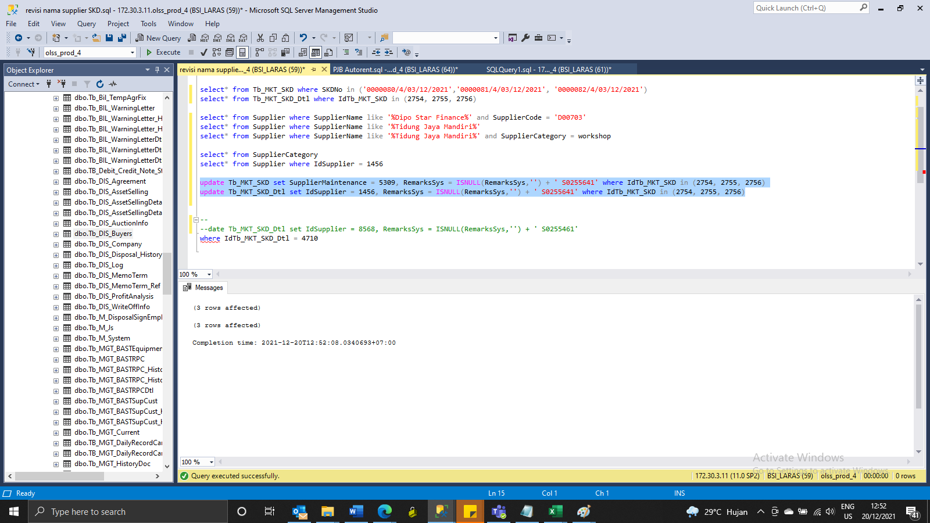
update Tb_MKT_SKD set SupplierMaintenance = 5309, RemarksSys = ISNULL(RemarksSys,'') + ' S0255641' where IdTb_MKT_SKD in (2754, 2755, 2756)
update Tb_MKT_SKD_Dtl set IdSupplier = 1456, RemarksSys = ISNULL(RemarksSys,'') + ' S0255641' where IdTb_MKT_SKD in (2754, 2755, 2756)

Screenshot
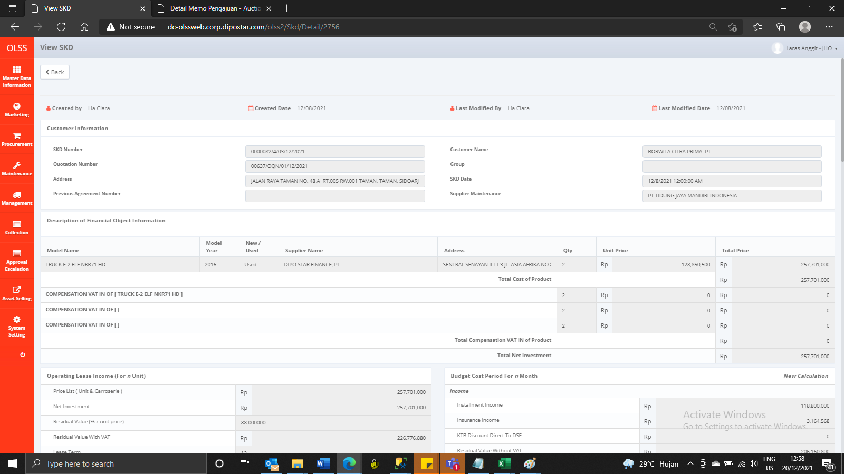
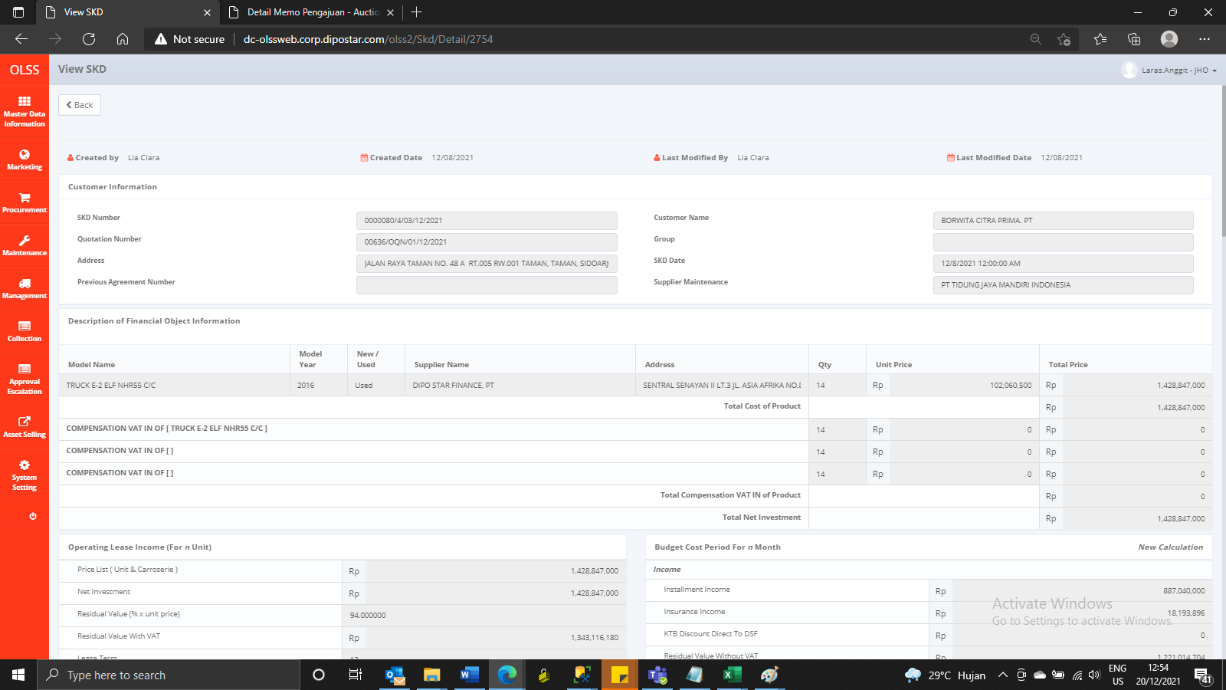

BEFORE
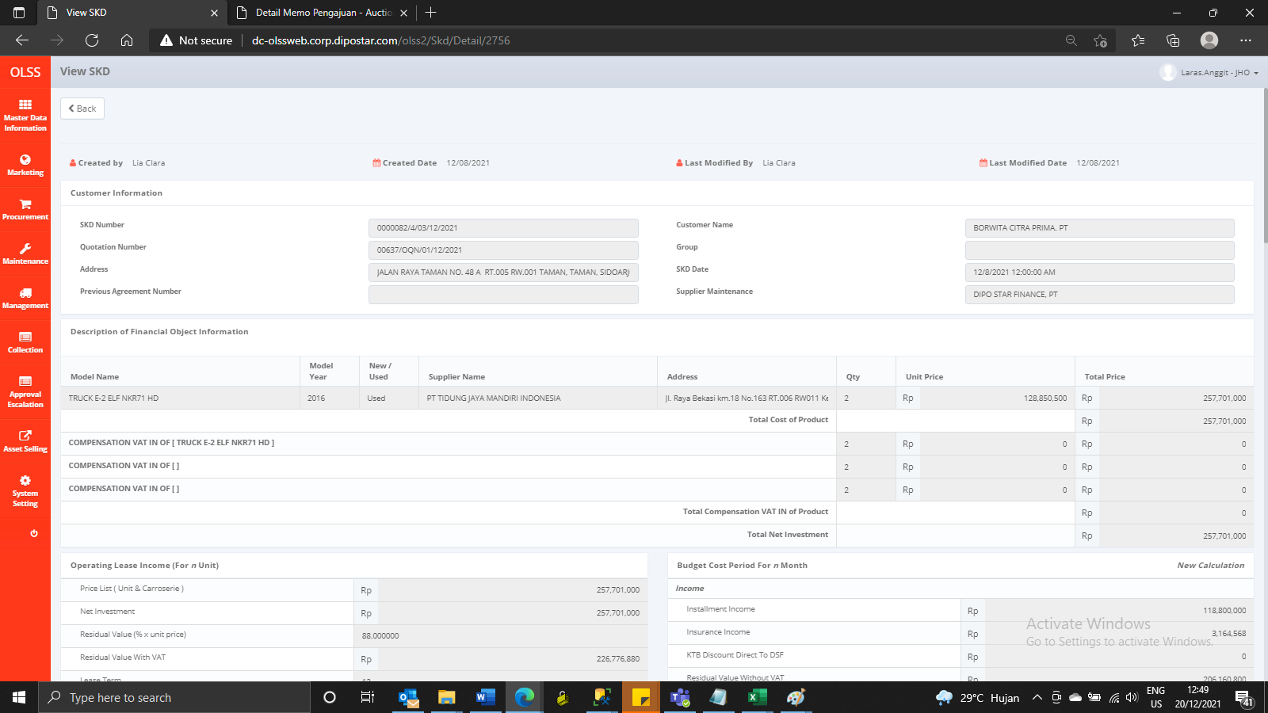



AFTER

